Data
ATR 72-600 Specifications
Weights: |  | https://www.atr-aircraft.com/wp-content/uploads/2020/07/Factsheets_-_ATR_72-600.pdf
MTOW [kg] | 23000 | https://www.atr-aircraft.com/wp-content/uploads/2022/06/ATR_Fiche72-600-3.pdf
MLW [kg] | 22350
MZFW [kg] | 21000
MPW [kg] | 7550
MFW [kg] | 5000
OEW [kg] | 13450
PAX [-] | 72

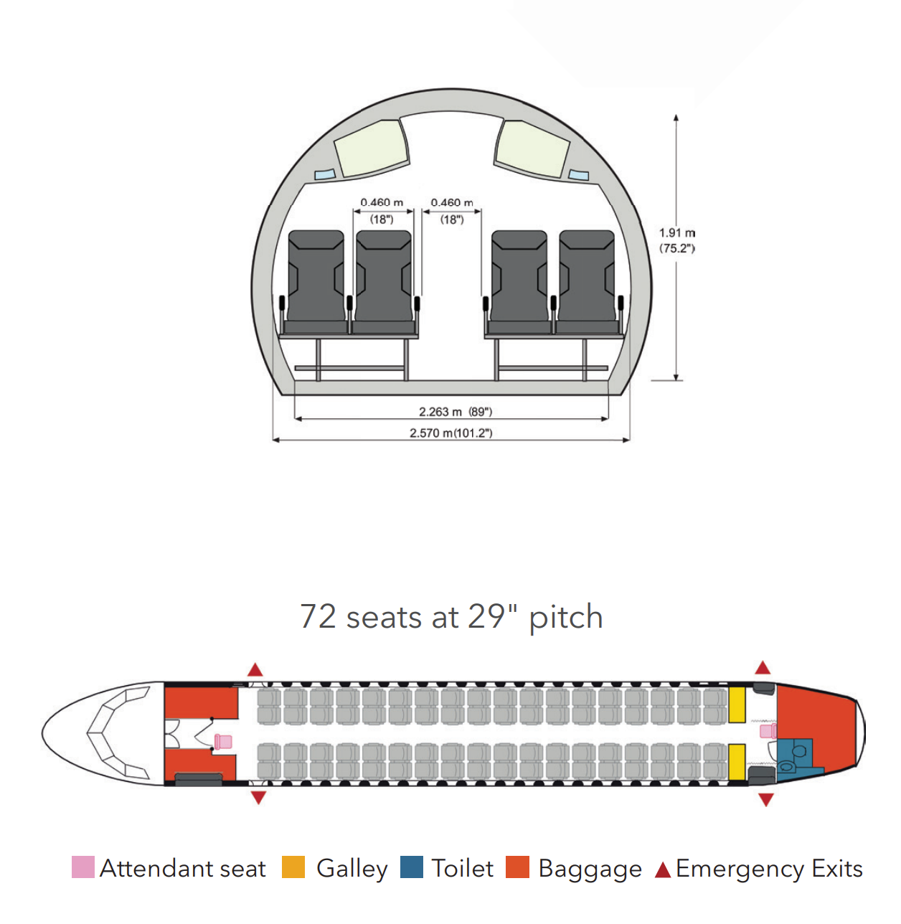
Airfield performance:
TO dist MTOW SL [m] | 1,279
LDG dist MLW SL [m] | 915
landing speed | 58.132356573
In-flight performance (per engine when relevant):
TO power [SHP] | 2,475
Max cont. power [SHP] | 2500
Max climb power [SHP] | 2192
Max cruise power [SHP] | 2132
Blade diameter [m] | 3.93
Optimum climb speed [kts CAS] | 170
ROC MTOW SL [ft/min] | 1355
Max cruise speed opt FL @ 95% MTOW [kts TAS] | 275
Range with max pax [nm] | 758
FF at cruise [kg/hr] both engines | 762

Geometry [m]:
Wing span | 27.05
Wing area [m^2] | 61
Length | 27.166
Height (with MLG) | 7.65
Distance between front and main gear (front to back of tire) | 10.77
Main landing gear width (measured from end of outer tire) | 4.1
Distance between engines | 8.1 | ( for the cm0 airfoil thing)
diameter fuselage | 2.9
Sh/Sw | 0.19229508197
c_mac | 2.303 | manual 784
x_lemac | 11.242
S_v [m^2] | 12.48
S_h [m^2] | 11.73
engine length including nacelle | 4.46 | pixel measurement
engine length excluding nacelle and spinner | 2.1
horizontal tail span | 7.31 | pixel measurement
horizontal tail mac | 1.6046511628
vertical tail span if to centerline | 5.342 | blood in pee bad
vertical tail span if not | 4.181 | the one to use
vertical tail mac if to centerline | 2.336203669 | https://skybrary.aero/aircraft/at76
vertical tail mac if not | 2.9849318345 | https://www.researchgate.net/publication/330199240_Effect_of_Propeller_Installation_on_Performance_Indicators_of_Regional_Turboprop_Aircraft
width and height nacelle | 1 | pixel measurement
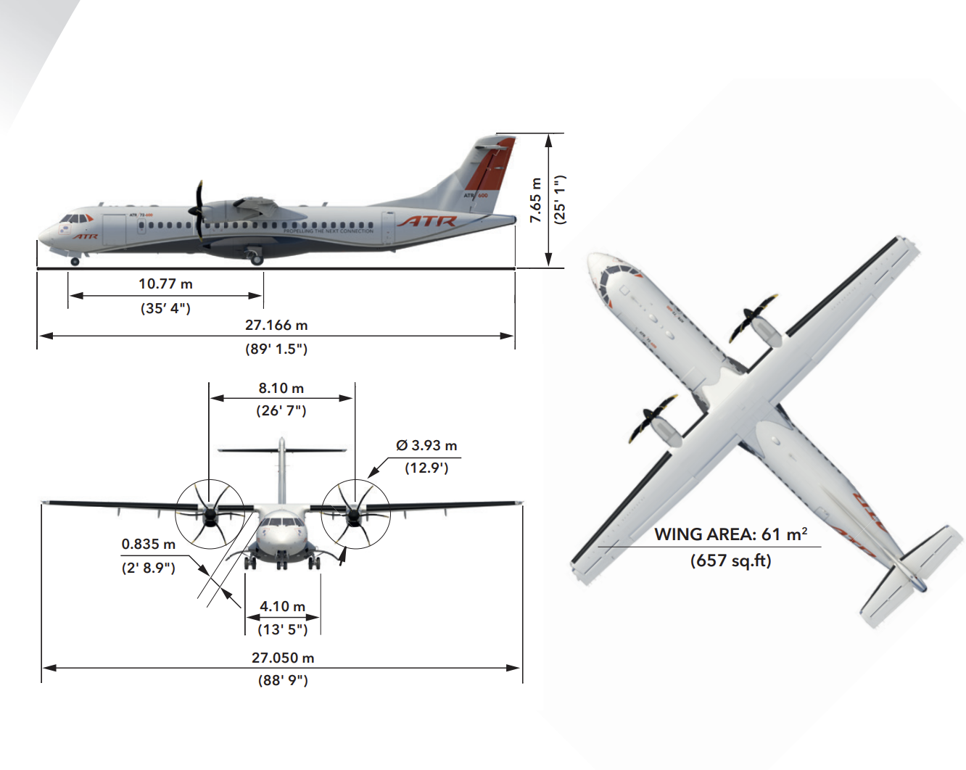
engine position | 8.43 | pixel measurement
front ldg | 1.75 | pixel measurement
back ldg | 12.43 | pixel measurement
position vertical tail xlemac | 23.7 | pixel measurement
position horizontal tail xlemac | 24.8 | pixel measurement

Devices:
Wing | fixed high wing
Tail | T-tail
propulsion | 2x turboprop
landing gear | tricycle retractable

2.1bc (Weight Table & Chart)
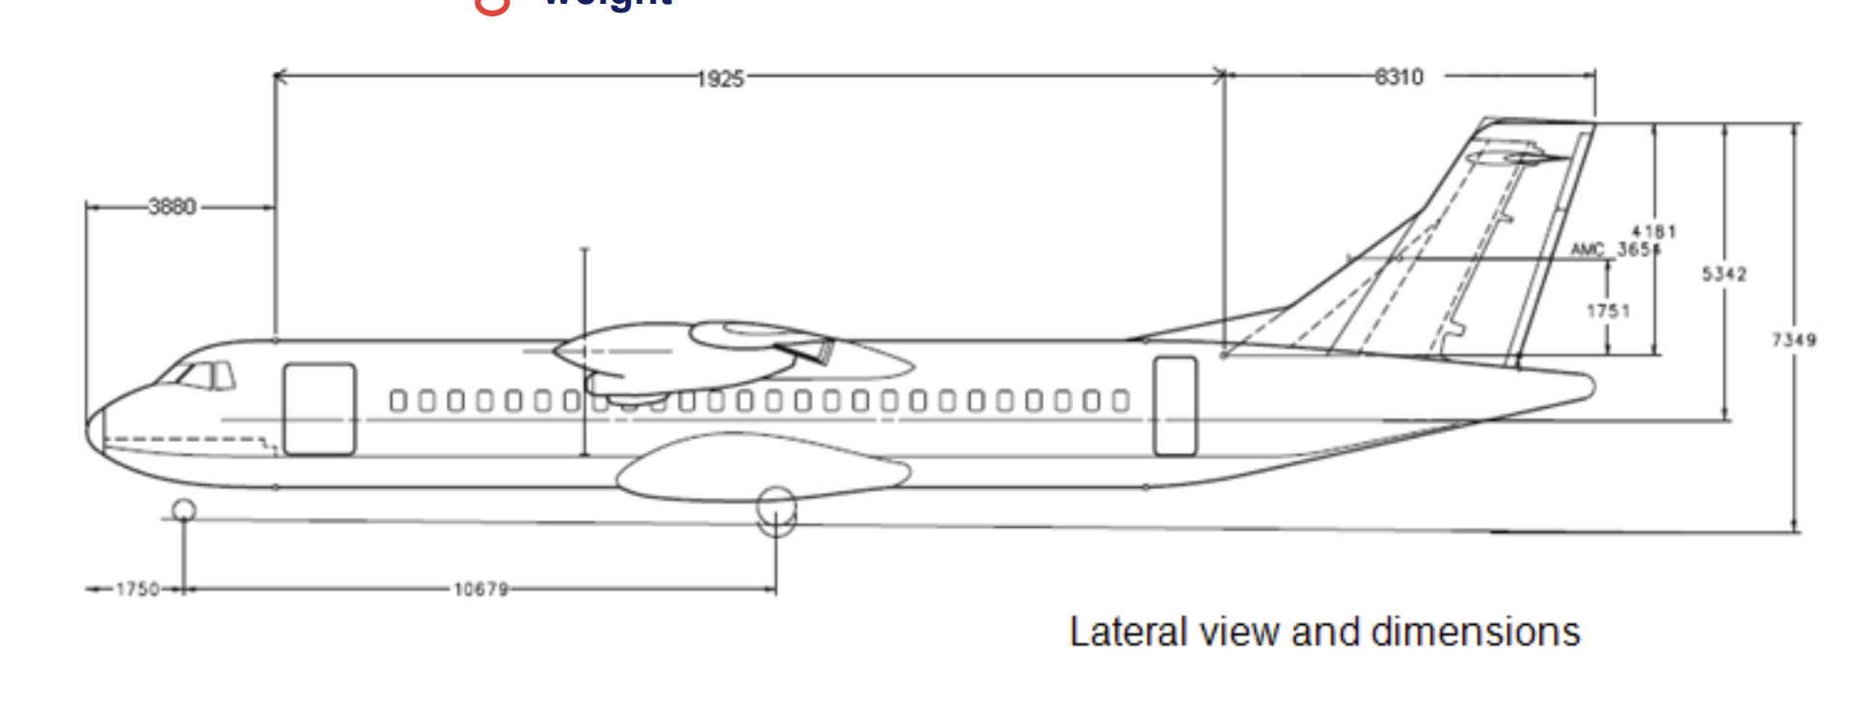
Weight Component | Weight [% MTOW] | Value [kg] |  | Max. Payload Config. | Absolute | % MTOW
OEW [kg] | 58.48% | 13450 |  | OEW | 13450 kg | 58.48%
MFW [kg] | 21.74% | 5000 |  | MPW | 7550 kg | 32.83%
MPW [kg] | 32.83% | 7550 |  | FW | 2000 kg | 8.70%
MTOW [kg] | 100.00% | 23000
 |  |  |  | Max. Range Config. | Absolute | % MTOW
 |  |  |  | OEW | 13450 kg | 58.48%
 |  |  |  | PW | 4550 kg | 19.78%
 |  |  |  | MFW | 5000 kg | 21.74%

Categories | https://www.fzt.haw-hamburg.de/pers/Scholz/paper/RRDPAE-2008-Presentation_ATR72.pdf
Fuselage | https://www.737ng.co.uk/atr72fcom.pdf
Wing | https://pdfcoffee.com/atr-72-500-weight-and-balance-manual-pdf-free.html

Component | Category | Weight [% MTOW] | Weight [kg] | xcg ac [m] | xcg MAC [m] | xcg MAC [%c] | has it been verified? | Column1
Fuselage | Fuselage | 24.80% | 5704 | 10.32308 | -0.91892 | -39.90% | as good as it's going to be | roskam 0.38-0.4 for twin props
Vertical Tail | Fuselage | 2.00% | 460 | 24.893972734 | 13.651972734 | 592.79% | as good as it's going to be | roskam 0.42 mac
Horizontal Tail | Fuselage | 1.80% | 414 | 25.473953488 | 14.231953488 | 617.97% | as good as it's going to be | roskam 0.42 mac
Nose Landing Gear | Fuselage | 0.50% | 115 | 1.75 | -9.492 | -412.16% | as good as it's going to be
Wing | Wing | 14.90% | 3427 | 12.11714 | 0.87514 | 38.00% | as good as it's going to be | roskam 0.38-0.42 MAC for straight wings
Propulsion | Wing | 10.30% | 2369 | 10.214 | -1.028 | -44.64% | as good as it's going to be | roskam 0.4 engine length
Main Landing Gear | Wing | 3.50% | 805 | 12.43 | 1.188 | 51.58% | as good as it's going to be

Group | Weight [% MTOW] | Weight [kg] | xcg ac [m] | xcg MAC [m] | xcg MAC [%c]
Fuselage Group | 29.10% | 6693 | 12.114379579 | 0.87237957892 | 37.88%
Wing Group | 28.70% | 6601 | 11.472285226 | 0.23028522648 | 10.00%
OEW | 58.48% | 13450 | 11.795554182 | 0.55355418247 | 24.04%

 |  |  |  | Thanks for your work!

2.1d (Loading Diagram)
Loading Diagram
 | Data |  |  |  | Diagram Points
 | W [kg] | Xcg MAC [m] | Xcg [%c]
OEW | 13450 | 0.55355418247 | 24.04% |  | OEW | Front Loaded | Back Loaded | Fully Loaded
fcargo | 1887.5 | -6 | -260.53% | Xcg [%c] | 24.04% | -10.98% | 85.20% | 47.32%
rcargo | 1887.5 | 12 | 521.06% | W [kg] | 13450 | 15337.5 | 15337.5 | 17225
fchair |  | -6 | -260.53%
rchair |  | 10 | 434.22%

 | SEE GITHUB

2.1ef Static Stability
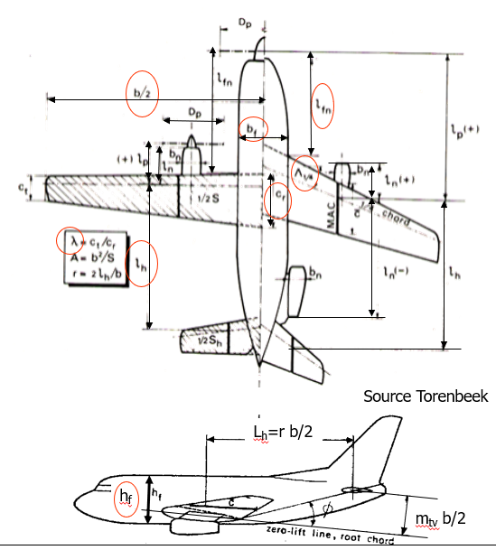
red = | Needs Verification |  | green=variable in final plot
 | (read: "I bs'ed some numbers")

Geometry (task 2.1.f)
S_h [m^2] | 11.73 | [m2] |  | de/dalpha | 0.2643621307 | (Lecture 7 slide 47) | (Also I skipped slide 48 of L7)
b_h | 7.31 | [m] |  | Clalpha_A-h | 6.1843857704 | (Lecture 7 slide 44)
A_h | 4.5555072464 |  |  | Clalpha_w | 5.5702122001 | (Lecture 7 slide 43)
S | 61 | [m2] |  | Clalpha_h | 4.2013357143 | (Lecture 7 slide 43)
b | 27.05 | [m] |  | Vh/V | 1 | (7 slide 42)
A | 11.995122951
c_mac | 2.303 | [m]
c_g | 2.2550831793 | [m] |  | x_ac | 0.052569878564 | (7 slide 35) [%mac]
 |  |  |  | x_ac_wf | 0.076510917324 | (7 slide 35)
S_net | 53.112 | [m2] (from pixel measurements) |  | x_ac_n | -0.02394103876 | (7 slide 40)

b_f | 2.9 | [m] |  | x_ac_w | 0.25 | (from data?) [%MAC] 0.25 based on thin airfoil theory, reasonable assumption
h_f | 2.625 | [m] (pixel measurement) |  | x_ac_f1 | -0.17348908268 | (7 slide 39)
l_f | 27.166 | [m] |  | x_ac_f2 | 0 | (7 slide 39)
l_fn | 11 | [m] (pixel measurement)
l_h | 13.38 | [m] caluculation from position of lemac of wing and tail and macs |  | eta | 0.95 | (might be constant see L7s43)
 |  |  |  | beta | 0.89662041021 | (dependant on M see L7s43) at cruise and max speed, will vary between this and 1
c_t | 1.59 | [m] (Janes)
c_r | 2.72 | [m] (pixel measurement) |  | K_eA | 2.2183590899 | (L7s47)
lambda | 0.58455882353 |  |  | K_eA=0 | 2.2183590899 | (L7s47)
Sweep 1/4 wing | 0 | [rad] (measured from image)
Sweep 1/2 wing | 0.07 | [rad] (measured from image)

Sweep 1/2 tail | 0.17 | [rad] (measured from image)

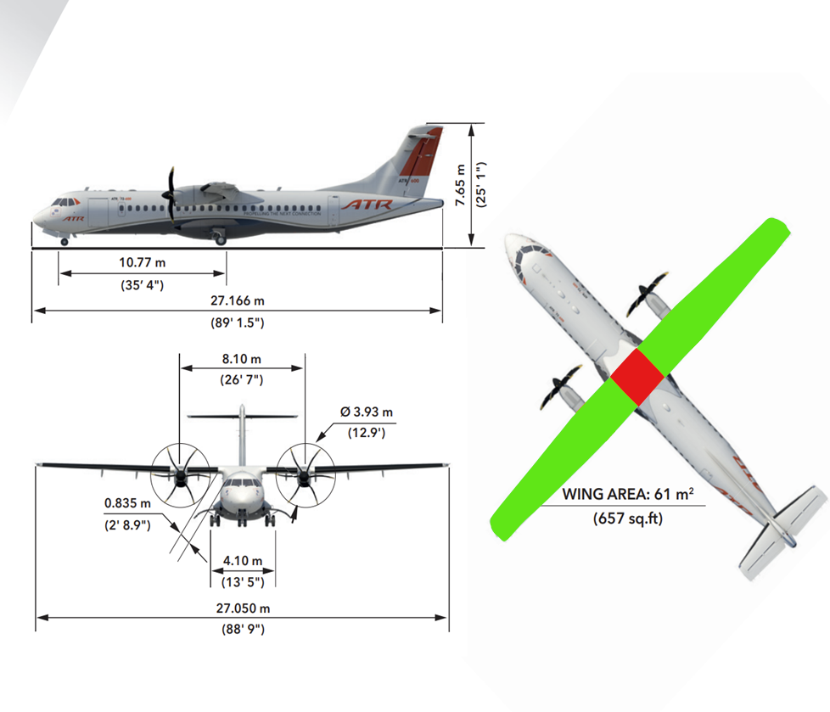
k_n | -4 | (L7s40) (Made this negative)
b_n | 1 | should be more, measuring shows it's at least 1 m, I guess padding | https://www.easa.europa.eu/en/downloads/7725/en
l_n | 2.6

r | 0.98927911275
d_ht-vsp | 2.9 | (L7s40, no var name given) pixel measurement
m_tv | 0.21441774492

